Instructions
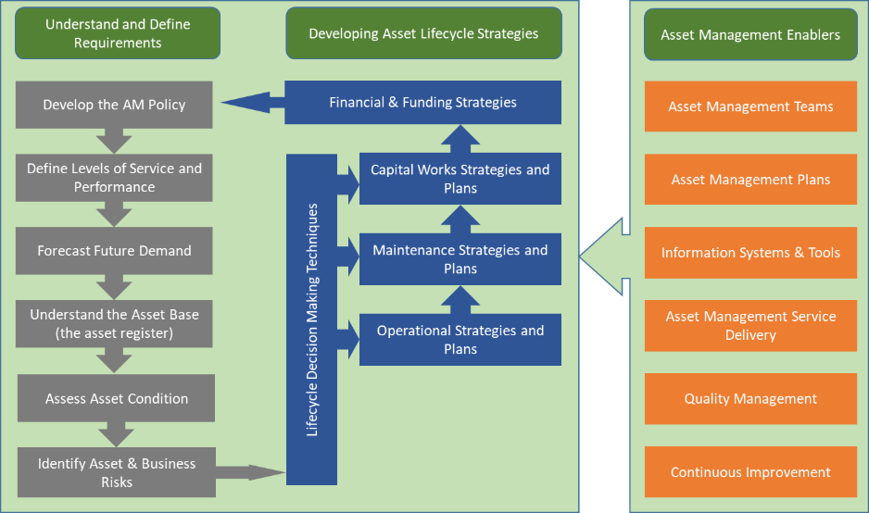
Instructions for completion of this assessment

Objective
This question set is to be used for self assessment and onsite interviews conducted as part of an Asset Management capability review.

Instructions
All user input cells are this colour
Many of the cells have hints as Notes as per this cell

Step 1. Complete the Overview - this is about recording who is completing the assessment and who is being assessed. Up to five groups can be assessed within one assessment (e.g. head office plus 4 x regional offices; or Planning Division, Maintenance Division etc)
Step 2. Conduct the Maturity Assessment. Including the reasoning for the scores given and what is an appropriate target.
Step 3. Review the Results and check for unexpected outcomes. Review as need be.

Scoring the Maturity Assessment
Score (from 0 to 4) each question. It is important that the scores accurately reflect current practice - such that referencing is important. This is not an exam, there is no pass/fail - it is simply to provide a benchmark as to where AM practice is at present, and to identify the main improvement areas that are relevant to your road authority.
The scoring follows the below categories

Note that scores are in increments of 1, and reflect where you consider the organisation to be within the category.

Assessment framework
The framework is based upon the International Infrastructure Management Manual AM Process

SpiderChart
()
 | Current Score | Target
1: AM Policy and Strategy (All) | 0 | 2
2: Levels of Service and Performance Management (Pavements & Surfacing) | 0 | 2
2: Levels of Service and Performance Management (Bridges) | 0 | 2
2: Levels of Service and Performance Management (Other Structures) | 0 | 2
2: Levels of Service and Performance Management (Other Assets) | 0 | 2
3: Demand Forecasting (All) | 0 | 2
4: Asset Register Data (Pavements & Surfacing) | 0 | 2
4: Asset Register Data (Bridges) | 0 | 2
4: Asset Register Data (Other Structures) | 0 | 2
4: Asset Register Data (Other Assets) | 0 | 2
5: Asset Condition Assessment (Pavements & Surfacing) | 0 | 2
5: Asset Condition Assessment (Bridges) | 0 | 2
5: Asset Condition Assessment (Other Structures) | 0 | 2
5: Asset Condition Assessment (Other Assets) | 0 | 2
6: Risk Management (All) | 0 | 2
7: Decision Making (Pavements & Surfacing) | 0 | 2
7: Decision Making (Bridges) | 0 | 2
7: Decision Making (Other Structures) | 0 | 2
7: Decision Making (Other Assets) | 0 | 2
8: Operational Planning and Reporting (All) | 0 | 2
9: Maintenance Planning (All) | 0 | 2
10: Capital Investment Strategies (All) | 0 | 2
11: Financial and Funding Strategies (All) | 0 | 2
12: Asset Management Teams (All) | 0 | 2
13: AM Plans (All) | 0 | 2
14: Asset Management Information Systems (All) | 0 | 2
15: Service Delivery Models (All) | 0 | 2
16: Quality Management (All) | 0 | 2
17: Improvement Planning (All) | 0 | 2

SpiderChart - HiLo
()
 | Low Score | Average Score | High Score | Target
 | 0 | 0 | 0 | 2
 | 0 | 0 | 0 | 2
 | 0 | 0 | 0 | 2
 | 0 | 0 | 0 | 2
 | 0 | 0 | 0 | 2
 | 0 | 0 | 0 | 2
 | 0 | 0 | 0 | 2
 | 0 | 0 | 0 | 2
 | 0 | 0 | 0 | 2
 | 0 | 0 | 0 | 2
 | 0 | 0 | 0 | 2
 | 0 | 0 | 0 | 2
 | 0 | 0 | 0 | 2
 | 0 | 0 | 0 | 2
 | 0 | 0 | 0 | 2
 | 0 | 0 | 0 | 2
 | 0 | 0 | 0 | 2
 | 0 | 0 | 0 | 2
 | 0 | 0 | 0 | 2
 | 0 | 0 | 0 | 2
 | 0 | 0 | 0 | 2
 | 0 | 0 | 0 | 2
 | 0 | 0 | 0 | 2
 | 0 | 0 | 0 | 2
 | 0 | 0 | 0 | 2
 | 0 | 0 | 0 | 2
 | 0 | 0 | 0 | 2
 | 0 | 0 | 0 | 2
 | 0 | 0 | 0 | 2

SpiderChart - HiLo 2
()
 | High Score | Current Score | Low Score | Target
 | 0 | 0 | 0 | 2
 | 0 | 0 | 0 | 2
 | 0 | 0 | 0 | 2
 | 0 | 0 | 0 | 2
 | 0 | 0 | 0 | 2
 | 0 | 0 | 0 | 2
 | 0 | 0 | 0 | 2
 | 0 | 0 | 0 | 2
 | 0 | 0 | 0 | 2
 | 0 | 0 | 0 | 2
 | 0 | 0 | 0 | 2
 | 0 | 0 | 0 | 2
 | 0 | 0 | 0 | 2
 | 0 | 0 | 0 | 2
 | 0 | 0 | 0 | 2
 | 0 | 0 | 0 | 2
 | 0 | 0 | 0 | 2
 | 0 | 0 | 0 | 2
 | 0 | 0 | 0 | 2
 | 0 | 0 | 0 | 2
 | 0 | 0 | 0 | 2
 | 0 | 0 | 0 | 2
 | 0 | 0 | 0 | 2
 | 0 | 0 | 0 | 2
 | 0 | 0 | 0 | 2
 | 0 | 0 | 0 | 2
 | 0 | 0 | 0 | 2
 | 0 | 0 | 0 | 2
 | 0 | 0 | 0 | 2

ByCategory
()
 | Current Score | Target
Understanding and Defining Requirements | 0 | 2
Lifecycle Decision Making | 0 | 2
Asset Management Enablers | 0 | 2

Overall
()
 | Current Score | Target
1: AM Policy and Strategy (All) | 0 | 2
2: Levels of Service and Performance Management (Pavements & Surfacing) | 0 | 2
2: Levels of Service and Performance Management (Bridges) | 0 | 2
2: Levels of Service and Performance Management (Other Structures) | 0 | 2
2: Levels of Service and Performance Management (Other Assets) | 0 | 2
3: Demand Forecasting (All) | 0 | 2
4: Asset Register Data (Pavements & Surfacing) | 0 | 2
4: Asset Register Data (Bridges) | 0 | 2
4: Asset Register Data (Other Structures) | 0 | 2
4: Asset Register Data (Other Assets) | 0 | 2
5: Asset Condition Assessment (Pavements & Surfacing) | 0 | 2
5: Asset Condition Assessment (Bridges) | 0 | 2
5: Asset Condition Assessment (Other Structures) | 0 | 2
5: Asset Condition Assessment (Other Assets) | 0 | 2
6: Risk Management (All) | 0 | 2
7: Decision Making (Pavements & Surfacing) | 0 | 2
7: Decision Making (Bridges) | 0 | 2
7: Decision Making (Other Structures) | 0 | 2
7: Decision Making (Other Assets) | 0 | 2
8: Operational Planning and Reporting (All) | 0 | 2
9: Maintenance Planning (All) | 0 | 2
10: Capital Investment Strategies (All) | 0 | 2
11: Financial and Funding Strategies (All) | 0 | 2
12: Asset Management Teams (All) | 0 | 2
13: AM Plans (All) | 0 | 2
14: Asset Management Information Systems (All) | 0 | 2
15: Service Delivery Models (All) | 0 | 2
16: Quality Management (All) | 0 | 2
17: Improvement Planning (All) | 0 | 2

UnderstandDefine
()
 | Current Score | Target
1: AM Policy and Strategy (All) | 0 | 2
2: Levels of Service and Performance Management (Pavements & Surfacing) | 0 | 2
2: Levels of Service and Performance Management (Bridges) | 0 | 2
2: Levels of Service and Performance Management (Other Structures) | 0 | 2
2: Levels of Service and Performance Management (Other Assets) | 0 | 2
3: Demand Forecasting (All) | 0 | 2
4: Asset Register Data (Pavements & Surfacing) | 0 | 2
4: Asset Register Data (Bridges) | 0 | 2
4: Asset Register Data (Other Structures) | 0 | 2
4: Asset Register Data (Other Assets) | 0 | 2
5: Asset Condition Assessment (Pavements & Surfacing) | 0 | 2
5: Asset Condition Assessment (Bridges) | 0 | 2
5: Asset Condition Assessment (Other Structures) | 0 | 2
5: Asset Condition Assessment (Other Assets) | 0 | 2
6: Risk Management (All) | 0 | 2

Enablers
()
 | Current Score | Target
Asset Management Teams | 0 | 2
AM Plans | 0 | 2
Asset Management Information Systems | 0 | 2
Service Delivery Models | 0 | 2
Quality Management | 0 | 2
Improvement Planning | 0 | 2

HiLoTarget
 | Target | High | Low | Current Score
1: AM Policy and Strategy (All) | 2 | 0 | 0 | 0
2: Levels of Service and Performance Management (Pavements & Surfacing) | 2 | 0 | 0 | 0
2: Levels of Service and Performance Management (Bridges) | 2 | 0 | 0 | 0
2: Levels of Service and Performance Management (Other Structures) | 2 | 0 | 0 | 0
2: Levels of Service and Performance Management (Other Assets) | 2 | 0 | 0 | 0
3: Demand Forecasting (All) | 2 | 0 | 0 | 0
4: Asset Register Data (Pavements & Surfacing) | 2 | 0 | 0 | 0
4: Asset Register Data (Bridges) | 2 | 0 | 0 | 0
4: Asset Register Data (Other Structures) | 2 | 0 | 0 | 0
4: Asset Register Data (Other Assets) | 2 | 0 | 0 | 0
5: Asset Condition Assessment (Pavements & Surfacing) | 2 | 0 | 0 | 0
5: Asset Condition Assessment (Bridges) | 2 | 0 | 0 | 0
5: Asset Condition Assessment (Other Structures) | 2 | 0 | 0 | 0
5: Asset Condition Assessment (Other Assets) | 2 | 0 | 0 | 0
6: Risk Management (All) | 2 | 0 | 0 | 0
7: Decision Making (Pavements & Surfacing) | 2 | 0 | 0 | 0
7: Decision Making (Bridges) | 2 | 0 | 0 | 0
7: Decision Making (Other Structures) | 2 | 0 | 0 | 0
7: Decision Making (Other Assets) | 2 | 0 | 0 | 0
8: Operational Planning and Reporting (All) | 2 | 0 | 0 | 0
9: Maintenance Planning (All) | 2 | 0 | 0 | 0
10: Capital Investment Strategies (All) | 2 | 0 | 0 | 0
11: Financial and Funding Strategies (All) | 2 | 0 | 0 | 0
12: Asset Management Teams (All) | 2 | 0 | 0 | 0
13: AM Plans (All) | 2 | 0 | 0 | 0
14: Asset Management Information Systems (All) | 2 | 0 | 0 | 0
15: Service Delivery Models (All) | 2 | 0 | 0 | 0
16: Quality Management (All) | 2 | 0 | 0 | 0
17: Improvement Planning (All) | 2 | 0 | 0 | 0

